Battery bank-pre-process
INIU Portable Charger USB C Slimmest Triple 3A High-Speed 10000mAh Phone Power Bank Flashlight External Battery Pack Compatible with iPhone 13 12 11 X Samsung S20 Google LG iPad etc [2022 Version] | 2021-01-06 | 21.99 | 19.04829545
INIU Portable Charger USB C Slimmest Triple 3A High-Speed 10000mAh Phone Power Bank Flashlight External Battery Pack Compatible with iPhone 13 12 11 X Samsung S20 Google LG iPad etc [2022 Version] | 2021-02-01 | 16.14 | 19.04829545
INIU Portable Charger USB C Slimmest Triple 3A High-Speed 10000mAh Phone Power Bank Flashlight External Battery Pack Compatible with iPhone 13 12 11 X Samsung S20 Google LG iPad etc [2022 Version] | 2021-02-08 | 18.99 | 19.04829545
INIU Portable Charger USB C Slimmest Triple 3A High-Speed 10000mAh Phone Power Bank Flashlight External Battery Pack Compatible with iPhone 13 12 11 X Samsung S20 Google LG iPad etc [2022 Version] | 2021-02-10 | 19.99 | 19.04829545
INIU Portable Charger USB C Slimmest Triple 3A High-Speed 10000mAh Phone Power Bank Flashlight External Battery Pack Compatible with iPhone 13 12 11 X Samsung S20 Google LG iPad etc [2022 Version] | 2021-02-16 | 19.99 | 19.04829545
INIU Portable Charger USB C Slimmest Triple 3A High-Speed 10000mAh Phone Power Bank Flashlight External Battery Pack Compatible with iPhone 13 12 11 X Samsung S20 Google LG iPad etc [2022 Version] | 2021-02-17 | 19.99 | 19.04829545
INIU Portable Charger USB C Slimmest Triple 3A High-Speed 10000mAh Phone Power Bank Flashlight External Battery Pack Compatible with iPhone 13 12 11 X Samsung S20 Google LG iPad etc [2022 Version] | 2021-02-18 | 19.99 | 19.04829545
INIU Portable Charger USB C Slimmest Triple 3A High-Speed 10000mAh Phone Power Bank Flashlight External Battery Pack Compatible with iPhone 13 12 11 X Samsung S20 Google LG iPad etc [2022 Version] | 2021-02-20 | 19.99 | 19.04829545
INIU Portable Charger USB C Slimmest Triple 3A High-Speed 10000mAh Phone Power Bank Flashlight External Battery Pack Compatible with iPhone 13 12 11 X Samsung S20 Google LG iPad etc [2022 Version] | 2021-02-21 | 19.99 | 19.04829545
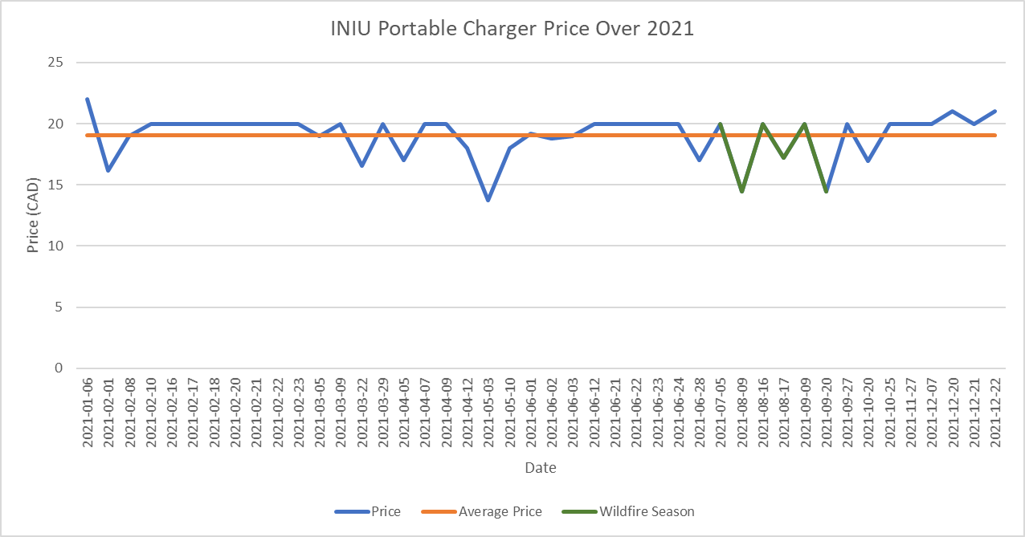
INIU Portable Charger USB C Slimmest Triple 3A High-Speed 10000mAh Phone Power Bank Flashlight External Battery Pack Compatible with iPhone 13 12 11 X Samsung S20 Google LG iPad etc [2022 Version] | 2021-02-22 | 19.99 | 19.04829545
INIU Portable Charger USB C Slimmest Triple 3A High-Speed 10000mAh Phone Power Bank Flashlight External Battery Pack Compatible with iPhone 13 12 11 X Samsung S20 Google LG iPad etc [2022 Version] | 2021-02-23 | 19.99 | 19.04829545
INIU Portable Charger USB C Slimmest Triple 3A High-Speed 10000mAh Phone Power Bank Flashlight External Battery Pack Compatible with iPhone 13 12 11 X Samsung S20 Google LG iPad etc [2022 Version] | 2021-03-05 | 18.99 | 19.04829545
INIU Portable Charger USB C Slimmest Triple 3A High-Speed 10000mAh Phone Power Bank Flashlight External Battery Pack Compatible with iPhone 13 12 11 X Samsung S20 Google LG iPad etc [2022 Version] | 2021-03-09 | 19.99 | 19.04829545
INIU Portable Charger USB C Slimmest Triple 3A High-Speed 10000mAh Phone Power Bank Flashlight External Battery Pack Compatible with iPhone 13 12 11 X Samsung S20 Google LG iPad etc [2022 Version] | 2021-03-22 | 16.565 | 19.04829545
INIU Portable Charger USB C Slimmest Triple 3A High-Speed 10000mAh Phone Power Bank Flashlight External Battery Pack Compatible with iPhone 13 12 11 X Samsung S20 Google LG iPad etc [2022 Version] | 2021-03-29 | 19.99 | 19.04829545
INIU Portable Charger USB C Slimmest Triple 3A High-Speed 10000mAh Phone Power Bank Flashlight External Battery Pack Compatible with iPhone 13 12 11 X Samsung S20 Google LG iPad etc [2022 Version] | 2021-04-05 | 16.99 | 19.04829545
INIU Portable Charger USB C Slimmest Triple 3A High-Speed 10000mAh Phone Power Bank Flashlight External Battery Pack Compatible with iPhone 13 12 11 X Samsung S20 Google LG iPad etc [2022 Version] | 2021-04-07 | 19.99 | 19.04829545
INIU Portable Charger USB C Slimmest Triple 3A High-Speed 10000mAh Phone Power Bank Flashlight External Battery Pack Compatible with iPhone 13 12 11 X Samsung S20 Google LG iPad etc [2022 Version] | 2021-04-09 | 19.99 | 19.04829545
INIU Portable Charger USB C Slimmest Triple 3A High-Speed 10000mAh Phone Power Bank Flashlight External Battery Pack Compatible with iPhone 13 12 11 X Samsung S20 Google LG iPad etc [2022 Version] | 2021-04-12 | 17.99 | 19.04829545
INIU Portable Charger USB C Slimmest Triple 3A High-Speed 10000mAh Phone Power Bank Flashlight External Battery Pack Compatible with iPhone 13 12 11 X Samsung S20 Google LG iPad etc [2022 Version] | 2021-05-03 | 13.71 | 19.04829545
INIU Portable Charger USB C Slimmest Triple 3A High-Speed 10000mAh Phone Power Bank Flashlight External Battery Pack Compatible with iPhone 13 12 11 X Samsung S20 Google LG iPad etc [2022 Version] | 2021-05-10 | 17.99 | 19.04829545
INIU Portable Charger USB C Slimmest Triple 3A High-Speed 10000mAh Phone Power Bank Flashlight External Battery Pack Compatible with iPhone 13 12 11 X Samsung S20 Google LG iPad etc [2022 Version] | 2021-06-01 | 19.19 | 19.04829545
INIU Portable Charger USB C Slimmest Triple 3A High-Speed 10000mAh Phone Power Bank Flashlight External Battery Pack Compatible with iPhone 13 12 11 X Samsung S20 Google LG iPad etc [2022 Version] | 2021-06-02 | 18.79 | 19.04829545
INIU Portable Charger USB C Slimmest Triple 3A High-Speed 10000mAh Phone Power Bank Flashlight External Battery Pack Compatible with iPhone 13 12 11 X Samsung S20 Google LG iPad etc [2022 Version] | 2021-06-03 | 18.99 | 19.04829545
INIU Portable Charger USB C Slimmest Triple 3A High-Speed 10000mAh Phone Power Bank Flashlight External Battery Pack Compatible with iPhone 13 12 11 X Samsung S20 Google LG iPad etc [2022 Version] | 2021-06-12 | 19.99 | 19.04829545
INIU Portable Charger USB C Slimmest Triple 3A High-Speed 10000mAh Phone Power Bank Flashlight External Battery Pack Compatible with iPhone 13 12 11 X Samsung S20 Google LG iPad etc [2022 Version] | 2021-06-21 | 19.99 | 19.04829545
INIU Portable Charger USB C Slimmest Triple 3A High-Speed 10000mAh Phone Power Bank Flashlight External Battery Pack Compatible with iPhone 13 12 11 X Samsung S20 Google LG iPad etc [2022 Version] | 2021-06-22 | 19.99 | 19.04829545
INIU Portable Charger USB C Slimmest Triple 3A High-Speed 10000mAh Phone Power Bank Flashlight External Battery Pack Compatible with iPhone 13 12 11 X Samsung S20 Google LG iPad etc [2022 Version] | 2021-06-23 | 19.99 | 19.04829545
INIU Portable Charger USB C Slimmest Triple 3A High-Speed 10000mAh Phone Power Bank Flashlight External Battery Pack Compatible with iPhone 13 12 11 X Samsung S20 Google LG iPad etc [2022 Version] | 2021-06-24 | 19.99 | 19.04829545
INIU Portable Charger USB C Slimmest Triple 3A High-Speed 10000mAh Phone Power Bank Flashlight External Battery Pack Compatible with iPhone 13 12 11 X Samsung S20 Google LG iPad etc [2022 Version] | 2021-06-28 | 16.99 | 19.04829545
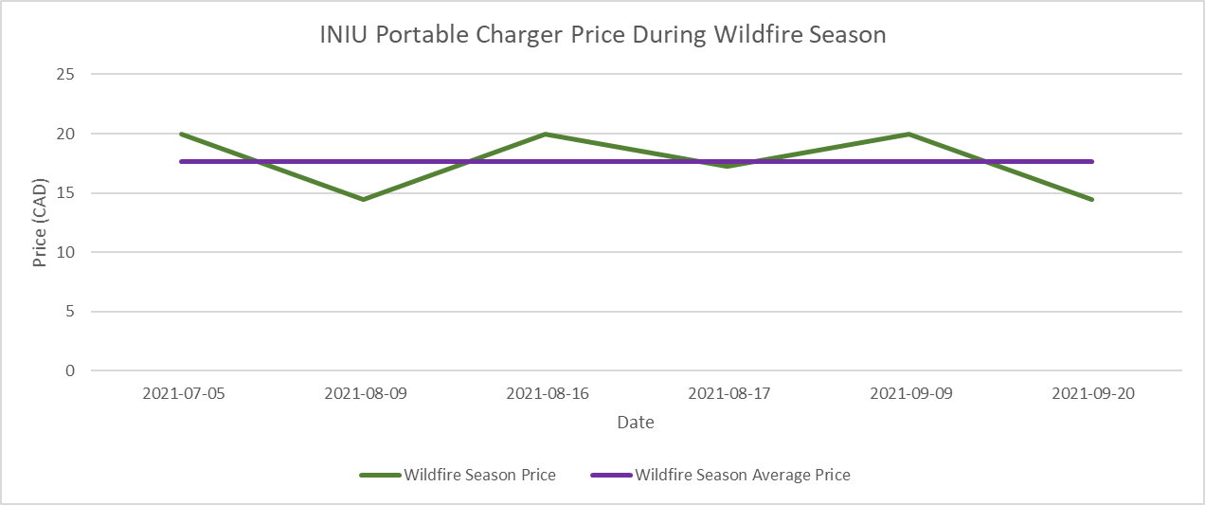
INIU Portable Charger USB C Slimmest Triple 3A High-Speed 10000mAh Phone Power Bank Flashlight External Battery Pack Compatible with iPhone 13 12 11 X Samsung S20 Google LG iPad etc [2022 Version] | 2021-07-05 | 19.99 | 19.04829545 | 19.99 | 17.6775
INIU Portable Charger USB C Slimmest Triple 3A High-Speed 10000mAh Phone Power Bank Flashlight External Battery Pack Compatible with iPhone 13 12 11 X Samsung S20 Google LG iPad etc [2022 Version] | 2021-08-09 | 14.44 | 19.04829545 | 14.44 | 17.6775
INIU Portable Charger USB C Slimmest Triple 3A High-Speed 10000mAh Phone Power Bank Flashlight External Battery Pack Compatible with iPhone 13 12 11 X Samsung S20 Google LG iPad etc [2022 Version] | 2021-08-16 | 19.99 | 19.04829545 | 19.99 | 17.6775
INIU Portable Charger USB C Slimmest Triple 3A High-Speed 10000mAh Phone Power Bank Flashlight External Battery Pack Compatible with iPhone 13 12 11 X Samsung S20 Google LG iPad etc [2022 Version] | 2021-08-17 | 17.215 | 19.04829545 | 17.215 | 17.6775
INIU Portable Charger USB C Slimmest Triple 3A High-Speed 10000mAh Phone Power Bank Flashlight External Battery Pack Compatible with iPhone 13 12 11 X Samsung S20 Google LG iPad etc [2022 Version] | 2021-09-09 | 19.99 | 19.04829545 | 19.99 | 17.6775
INIU Portable Charger USB C Slimmest Triple 3A High-Speed 10000mAh Phone Power Bank Flashlight External Battery Pack Compatible with iPhone 13 12 11 X Samsung S20 Google LG iPad etc [2022 Version] | 2021-09-20 | 14.44 | 19.04829545 | 14.44 | 17.6775
INIU Portable Charger USB C Slimmest Triple 3A High-Speed 10000mAh Phone Power Bank Flashlight External Battery Pack Compatible with iPhone 13 12 11 X Samsung S20 Google LG iPad etc [2022 Version] | 2021-09-27 | 19.99 | 19.04829545
INIU Portable Charger USB C Slimmest Triple 3A High-Speed 10000mAh Phone Power Bank Flashlight External Battery Pack Compatible with iPhone 13 12 11 X Samsung S20 Google LG iPad etc [2022 Version] | 2021-10-20 | 16.985 | 19.04829545
INIU Portable Charger USB C Slimmest Triple 3A High-Speed 10000mAh Phone Power Bank Flashlight External Battery Pack Compatible with iPhone 13 12 11 X Samsung S20 Google LG iPad etc [2022 Version] | 2021-10-25 | 19.99 | 19.04829545
INIU Portable Charger USB C Slimmest Triple 3A High-Speed 10000mAh Phone Power Bank Flashlight External Battery Pack Compatible with iPhone 13 12 11 X Samsung S20 Google LG iPad etc [2022 Version] | 2021-11-27 | 19.99 | 19.04829545
INIU Portable Charger USB C Slimmest Triple 3A High-Speed 10000mAh Phone Power Bank Flashlight External Battery Pack Compatible with iPhone 13 12 11 X Samsung S20 Google LG iPad etc [2022 Version] | 2021-12-07 | 19.99 | 19.04829545
INIU Portable Charger USB C Slimmest Triple 3A High-Speed 10000mAh Phone Power Bank Flashlight External Battery Pack Compatible with iPhone 13 12 11 X Samsung S20 Google LG iPad etc [2022 Version] | 2021-12-20 | 20.99 | 19.04829545
INIU Portable Charger USB C Slimmest Triple 3A High-Speed 10000mAh Phone Power Bank Flashlight External Battery Pack Compatible with iPhone 13 12 11 X Samsung S20 Google LG iPad etc [2022 Version] | 2021-12-21 | 19.99 | 19.04829545
INIU Portable Charger USB C Slimmest Triple 3A High-Speed 10000mAh Phone Power Bank Flashlight External Battery Pack Compatible with iPhone 13 12 11 X Samsung S20 Google LG iPad etc [2022 Version] | 2021-12-22 | 20.99 | 19.04829545

